Bitcoin Price Forecast Models
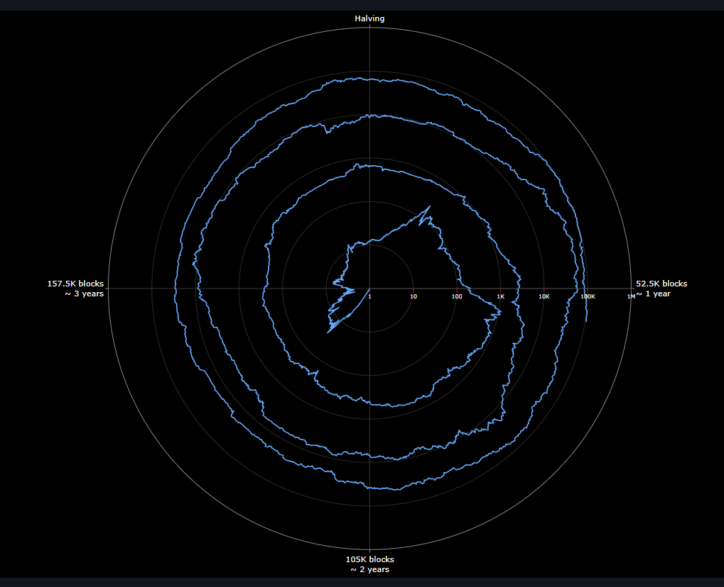

 |  | Forecasted Bitcoin Value (USD)
 | May-25 | $80,000.00
 | Jun-25 | $81,501.54
 | Jul-25 | $83,031.27
 | Aug-25 | $84,589.70
 | Sep-25 | $86,177.39
 | Oct-25 | $87,794.87
 | Nov-25 | $89,442.72
 | Dec-25 | $91,121.49
 | Jan-26 | $92,831.78
 | Feb-26 | $94,574.16
 | Mar-26 | $96,349.25
 | Apr-26 | $98,157.65
 | May-26 | $100,000.00
 | Jun-26 | $101,876.93
 | Jul-26 | $103,789.08
 | Aug-26 | $105,737.13
 | Sep-26 | $107,721.73
 | Oct-26 | $109,743.59
 | Nov-26 | $111,803.40
 | Dec-26 | $113,901.87
 | Jan-27 | $116,039.72
TON Leverages a conservative model of Bitcoin price to forecast profitability. While popular models forecast Bitcoin prices in excess of 50% year over Year, TON's model requires a steady forecast of Bitcoin price to weather the ups and downs throughout the mining facility lifecycle. The TON model also forecasts mining difficulty which considers the decreased mining revenue of mining machines over time. To reflect this, the network difficulty increases at a faster rate than the Bitcoin price increase. In TON's view of developing project models, a cashflow positive model must be achieved using a conservative Bitcoin price increase model to ensure resiliency for the mining facility through times of increase volatility. TON is able to adjust the model as time progresses to ensure a resilient decision making process including a miner upgrade prior to the Halvening event. TON models, like any other forecast, are based on assumptions and speculation and are not to be taken as actual data. Bitcoin in particular experiences extreme volatility which can quickly cause the model to diverge from reality. External due diligence is required when interpreting and using TON models. | Feb-27 | $118,217.70
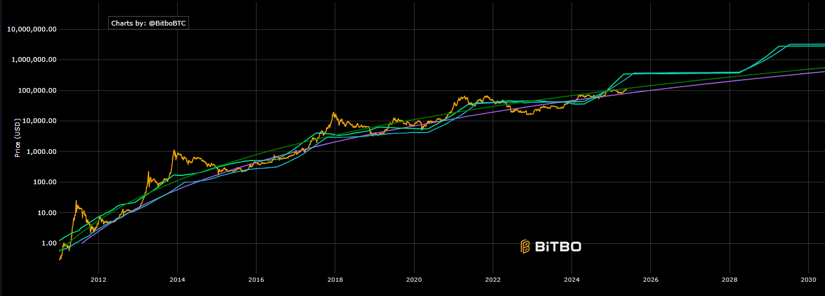
 | Mar-27 | $120,436.56
 | Apr-27 | $122,697.07
 | May-27 | $125,000.00
 | Jun-27 | $127,346.16
 | Jul-27 | $129,736.35
 | Aug-27 | $132,171.41
 | Sep-27 | $134,652.17
 | Oct-27 | $137,179.49
 | Nov-27 | $139,754.25
 | Dec-27 | $142,377.33
 | Jan-28 | $145,049.65
 | Feb-28 | $147,772.13
 | Mar-28 | $150,545.70
 | Apr-28 | $153,371.33
 | May-28 | $156,250.00
 | Jun-28 | $159,182.70
 | Jul-28 | $162,170.44

